Sheet 1
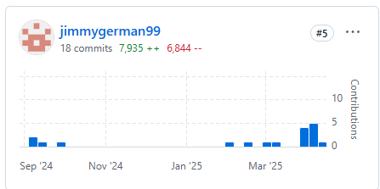
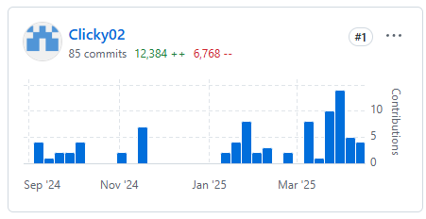
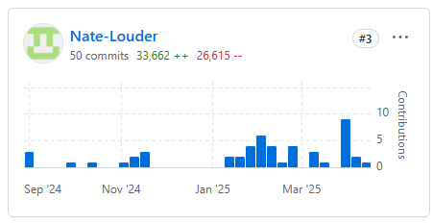
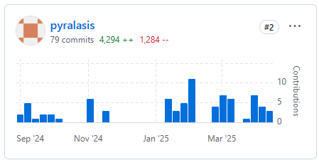
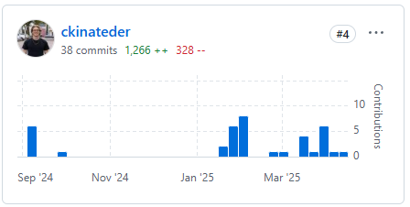
 | Nate Louder |  |  |  |  |  |  | Josh Lewis |  |  |  |  |  |  | Calvin Kinateder |  |  |  |  |  |  | Jimmy German |  |  |  |  |  |  | Gareth Fultz
Week | Meetings | Front-end Development | Back-end Development | Design | Testing | Assignments | Total | Meetings | Front-end Development | Back-end Development | Design | Testing | Assignments | Total | Meetings | Front-end Development | Back-end Development | Design | Testing | Assignments | Total | Meetings | Front-end Development | Back-end Development | Design | Testing | Assignments | Total | Meetings | Front-end Development | Back-end Development | Design | Testing | Assignments | Total
2024-09-01 | 2.5 | 0 | 0 | 2 | 0 | 1 | 5.5 | 2.5 | 0 | 0 | 1 | 0 | 0 | 3.5 | 2.5 | 0 | 1 | 1 | 0 | 0 | 4.5 | 2.5 | 0 | 0 | 0 | 0 | 0 | 2.5 | 2.5 | 0 | 0 | 0 | 0 | 0 | 2.5
2024-09-08 | 1 | 0 | 0 | 2 | 0 | 0.5 | 3.5 | 1 | 0 | 0 | 1 | 0 | 0.5 | 2.5 | 1 | 0 | 4 | 0 | 0 | 0 | 5 | 1 | 0 | 0 | 0 | 0 | 0 | 1 | 1 | 0 | 2 | 0 | 0 | 0 | 3
2024-09-15 | 1.5 | 0 | 0 | 1 | 0 | 0.5 | 3 | 1.5 | 0 | 0 | 0 | 0 | 0 | 1.5 | 1.5 | 0 | 2 | 0 | 0 | 0.25 | 3.75 | 1.5 | 0 | 0 | 0 | 0 | 0 | 1.5 | 1.5 | 0 | 2 | 0 | 1 | 0 | 4.5
2024-09-22 | 2 | 1 | 0 | 1 | 0 | 0 | 4 | 2 | 0 | 0 | 1 | 0 | 0.5 | 3.5 | 2 | 0 | 0.5 | 0 | 0 | 0.25 | 2.75 | 2 | 0 | 0 | 0 | 0 | 0 | 2 | 2 | 0 | 2 | 0 | 0 | 0 | 4
2024-09-29 | 2 | 0 | 0 | 0.5 | 0 | 0 | 2.5 | 2 | 0 | 0 | 0 | 0 | 0 | 2 | 2 | 0 | 0.5 | 0 | 0 | 0.25 | 2.75 | 2 | 0 | 0 | 0 | 0 | 0 | 2 | 2 | 0 | 3 | 0 | 0 | 0 | 5
2024-10-06 | 2 | 2 | 0 | 0 | 0 | 1 | 5 | 2 | 1 | 0 | 1 | 0 | 0.5 | 4.5 | 2 | 0 | 1 | 0 | 0 | 0.25 | 3.25 | 2 | 0 | 0 | 0 | 0 | 0 | 2 | 2 | 0 | 2 | 0 | 0 | 0 | 4
2024-10-13 | 2 | 0 | 0 | 2 | 0 | 0 | 4 | 2 | 0 | 0 | 0 | 0 | 0 | 2 | 2 | 0 | 1.5 | 0 | 0 | 0.25 | 3.75 | 2 | 0 | 0 | 0 | 0 | 0 | 2 | 2 | 0 | 4 | 0 | 0 | 0 | 6
2024-10-20 | 2 | 0 | 0 | 0 | 0 | 1 | 3 | 2 | 0 | 0 | 1 | 0 | 0.5 | 3.5 | 2 | 0 | 1 | 0 | 0 | 0.25 | 3.25 | 2 | 0 | 0 | 0 | 0 | 0 | 2 | 2 | 0 | 3 | 0 | 0 | 0 | 5
2024-10-27 | 2.25 | 0 | 0 | 0 | 0 | 0.5 | 2.75 | 2.25 | 0 | 0 | 0 | 0 | 0 | 2.25 | 2.25 | 0 | 2 | 0 | 1 | 0.25 | 5.5 | 2.25 | 0 | 0 | 0 | 0 | 0 | 2.25 | 2.25 | 0 | 0 | 0 | 1 | 0 | 3.25
2024-11-03 | 0.5 | 3 | 0 | 0 | 0 | 0 | 3.5 | 0.5 | 0 | 0 | 0 | 0 | 0.5 | 1 | 0.5 | 0 | 2 | 0 | 0 | 0.25 | 2.75 | 0.5 | 0 | 0 | 0 | 0 | 0 | 0.5 | 0.5 | 0 | 1 | 0 | 0 | 0 | 1.5
2024-11-10 | 2.5 | 1 | 0 | 0 | 1 | 2 | 6.5 | 2.5 | 0 | 0 | 0 | 0 | 0 | 2.5 | 2.5 | 0 | 0 | 0 | 0 | 0.25 | 2.75 | 2.5 | 0 | 0 | 0 | 0 | 0 | 2.5 | 2.5 | 0 | 4 | 0 | 0 | 0 | 6.5
2024-11-17 | 2.5 | 0 | 0 | 0 | 0 | 0 | 2.5 | 2.5 | 1 | 0 | 0 | 0 | 0 | 3.5 | 2.5 | 0 | 0 | 0 | 0 | 0.25 | 2.75 | 2.5 | 0 | 0 | 0 | 0 | 0 | 2.5 | 2.5 | 0 | 2 | 0 | 0 | 0 | 4.5
2024-11-24 | 2 | 4 | 0 | 0 | 1 | 0 | 7 | 2 | 0 | 0 | 1 | 0 | 0.5 | 3.5 | 2 | 0 | 0 | 0 | 1 | 0.5 | 3.5 | 2 | 0 | 0 | 0 | 0 | 0 | 2 | 2 | 0 | 3 | 0 | 0 | 0 | 5
2024-12-01 | 3 | 3 | 0 | 0 | 0 | 0.5 | 6.5 | 3 | 0 | 0 | 0 | 0 | 0 | 3 | 3 | 0 | 0 | 0 | 0 | 0.5 | 3.5 | 3 | 0 | 0 | 1 | 0 | 1 | 5 | 3 | 0 | 2 | 0 | 1 | 1 | 7
2024-12-08 | 1 | 2 | 0 | 0 | 0 | 0 | 3 | 1 | 0 | 0 | 0 | 0 | 0 | 1 | 1 | 0 | 0 | 0 | 1 | 2 | 4 | 1 | 0 | 0 | 0 | 0 | 2 | 3 | 1 | 0 | 1 | 0 | 0 | 2 | 4
2024-12-15 | WINTER BREAK
2024-12-22
2024-12-29
2025-01-05
2024-01-13 | 1 | 1 | 0 | 2 | 0 | 0.5 | 4.5 | 1 | 2 | 0 | 1 | 0 | 0 | 4 | 1 | 0 | 1 | 0 | 0 | 0 | 2 | 1 | 1 | 0 | 0 | 0 | 1 | 3 | 1 | 0 | 1 | 0 | 0 | 0 | 2
2024-01-20 | 1.25 | 0 | 0 | 1 | 0 | 0 | 2.25 | 1.25 | 2 | 0 | 0 | 0 | 0.5 | 3.75 | 1.25 | 0 | 5 | 0 | 0 | 0 | 6.25 | 1.25 | 1 | 0 | 0 | 0 | 0 | 2.25 | 1.25 | 0 | 2 | 0 | 0 | 0 | 3.25
2024-01-27 | 2 | 1 | 0 | 0 | 0 | 0 | 3 | 2 | 1 | 0 | 1 | 0.5 | 0 | 4.5 | 2 | 0 | 0.5 | 0 | 0 | 0.25 | 2.75 | 2 | 0 | 0 | 1 | 0 | 0 | 3 | 2 | 0 | 2.5 | 0 | 0 | 1 | 5.5
2024-02-03 | 3 | 2 | 0 | 1 | 0 | 0.5 | 6.5 | 3 | 4 | 0 | 0 | 0 | 0.5 | 7.5 | 3 | 0 | 1 | 0 | 0 | 0.25 | 4.25 | 3 | 0 | 0 | 1 | 0 | 1 | 5 | 3 | 0 | 2 | 0 | 0 | 0 | 5
2024-02-10 | 1 | 2 | 0 | 0 | 0 | 0 | 3 | 1 | 2 | 1 | 0 | 0.5 | 0.5 | 5 | 1 | 0 | 2 | 0 | 1 | 0.25 | 4.25 | 1 | 1 | 0 | 2 | 0 | 0 | 4 | 1 | 0 | 2 | 0 | 1 | 0 | 4
2024-02-17 | 2.5 | 0 | 0 | 0 | 0 | 1 | 3.5 | 2.5 | 1 | 1 | 1 | 0 | 0.5 | 6 | 2.5 | 0 | 2 | 0 | 0 | 0.5 | 5 | 2.5 | 1 | 0 | 0 | 0 | 0 | 3.5 | 2.5 | 0 | 3 | 0 | 0 | 0 | 5.5
2024-02-24 | 1.5 | 1 | 0 | 0 | 1 | 1 | 4.5 | 1.5 | 3 | 0 | 0 | 0 | 0 | 4.5 | 1.5 | 0 | 0.5 | 0 | 0 | 0.25 | 2.25 | 1.5 | 1 | 0 | 0 | 0 | 1 | 3.5 | 1.5 | 0 | 1 | 0 | 0 | 0 | 2.5
2024-03-02 | 1 | 0 | 0 | 0 | 0 | 0 | 1 | 1 | 2 | 1 | 0 | 0.5 | 0.5 | 5 | 1 | 0 | 1 | 0 | 0 | 0.25 | 2.25 | 1 | 1 | 0 | 0 | 0 | 0 | 2 | 1 | 0 | 1 | 0 | 0 | 0 | 2
2024-03-09 | 0.5 | 0 | 0 | 0 | 0 | 0 | 0.5 | 0.5 | 2 | 0 | 0 | 0 | 0 | 2.5 | 0.5 | 0 | 3 | 0 | 0 | 0.25 | 3.75 | 0.5 | 1 | 0 | 0 | 0 | 0 | 1.5 | 0.5 | 0 | 2 | 0 | 0 | 0 | 2.5
2024-03-16 | 1.5 | 2 | 0 | 0 | 0 | 0 | 3.5 | 1.5 | 4 | 2 | 1 | 0.5 | 0 | 9 | 1.5 | 0 | 0.5 | 0 | 0 | 0.25 | 2.25 | 1.5 | 4 | 0 | 0 | 2 | 0.5 | 8 | 1.5 | 0 | 2 | 0 | 0 | 0 | 3.5
2024-03-23 | 3 | 4 | 0 | 0 | 1 | 1 | 9 | 3 | 6 | 0 | 0 | 0 | 0.4 | 9.4 | 3 | 0 | 1 | 0 | 0 | 0.25 | 4.25 | 3 | 4 | 0 | 0 | 2 | 0.5 | 9.5 | 3 | 0 | 5 | 0 | 1 | 0 | 9
2024-03-30 | 3 | 4 | 0 | 0 | 0 | 0.4 | 7.4 | 3 | 4 | 2 | 1 | 0.5 | 0 | 10.5 | 3 | 0 | 1 | 1 | 0 | 0.25 | 5.25 | 3 | 4 | 0 | 0 | 2 | 1 | 10 | 3 | 0 | 7 | 0 | 0 | 1 | 11
2024-04-06 | 8 | 0 | 0 | 0 | 2 | 0 | 10 | 8 | 0 | 0 | 0 | 0 | 1 | 9 | 8 | 0 | 3 | 0 | 1 | 0.25 | 12.25 | 8 | 3 | 0 | 0 | 2 | 1 | 14 | 8 | 0 | 15 | 0 | 1 | 1 | 25
2024-04-13 | 2 | 0 | 0 | 0 | 2 | 0 | 4 | 2 | 0 | 0 | 0 | 0 | 1 | 3 | 2 | 0 | 1 | 0 | 2 | 2 | 7 | 2 | 0 | 0 | 0 | 0 | 1 | 3 | 2 | 0 | 0 | 0 |  | 1 | 3
 |  |  |  |  |  | Grand Total | 124.9 |  |  |  |  |  | Grand Total | 123.4 |  |  |  |  |  | Grand Total | 117.5 |  |  |  |  |  | Grand Total | 105 |  |  |  |  |  | Grand Total | 149.5

 | A majority of my time spent at the start of the project was dedicated to designing the front end in figma. I then handled a majority of creating the node editor used on two of our front end pages. Most of my time was spent fine tuning the node editor and creating the api interface with the back end service. I also helped with the home page design and implementation and setting up the front end project to begin with. |  |  |  |  |  |  | Semester 1 was spent mostly on design work and assignements. Semester 2 was spent largely working on the frontend. I also contributed to the backend in the latter half of this semester. Some of my major frontend contributions were the Modeling and Training Page as well as initial prototypes for other pages. |  |  |  |  |  |  | Most of my work was focused on the backend, on the model and training framework. I also worked on creating a demo for the senior design expo. Most of my work was focused on the second semester. |  |  |  |  |  |  | Over the course of the first semster I spent most of my time working on my EEP, however the second semester I worked on the layout, design and frontend functional components. Here are my hours under that show my commits for the project |  |  |  |  |  |  | My primary responsibility was designing and working on Check's backend. The first semester I created the structure for the backend, (mostly) completed the architecture domain of the backend, and started the data domain on the backend. In the second semester, I finished the backend's data domain, worked on model training, improved the file management, and did last minute improvements/fixes for the Expo demo.

